Energy_item
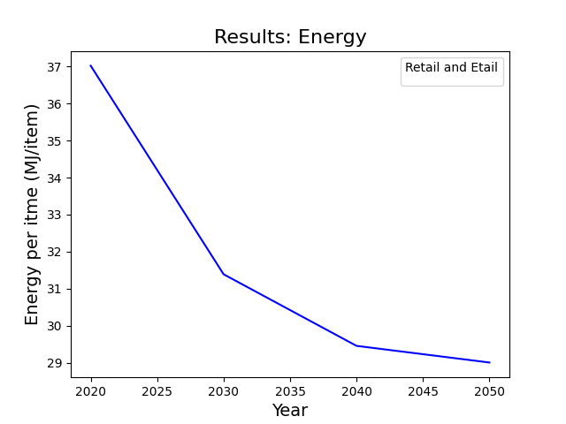
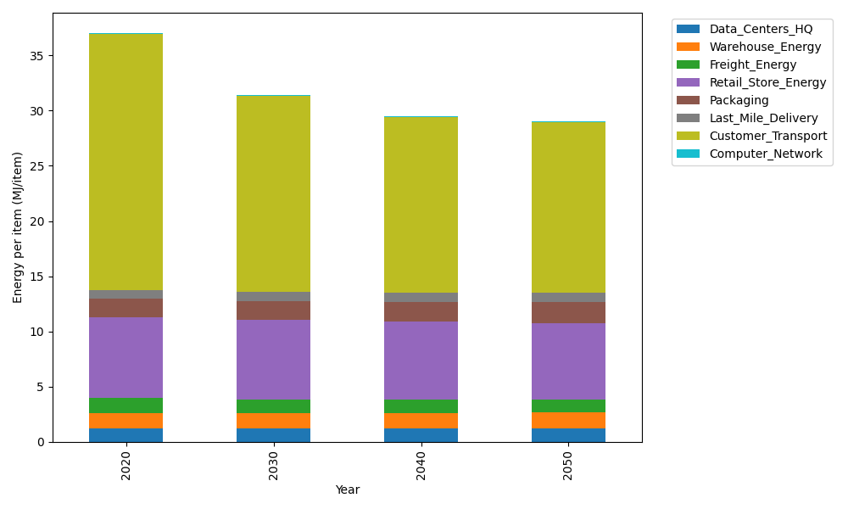
Years | Data_Centers_HQ | Warehouse_Energy | Freight_Energy | Retail_Store_Energy | Packaging | Last_Mile_Delivery | Customer_Transport | Computer_Network | Total
2020 | 1.2374454567 | 1.3412521336 | 1.3790575333 | 7.3082998956 | 1.6924080531 | 0.80747885931 | 23.208817183 | 0.042947817313 | 37.017706932
2030 | 1.2398035056 | 1.356587429 | 1.2443316059 | 7.1789947745 | 1.7482184297 | 0.79867233836 | 17.775362895 | 0.047965773574 | 31.389936751
2040 | 1.2421872542 | 1.3720898593 | 1.1971405886 | 7.0482803945 | 1.8046370673 | 0.82994517584 | 15.911204697 | 0.05303841908 | 29.458523456
2050 | 1.2445493503 | 1.3874514755 | 1.2217856842 | 6.9187533404 | 1.8605432342 | 0.90053263844 | 15.417463138 | 0.058064987918 | 29.009143849

CO2_item
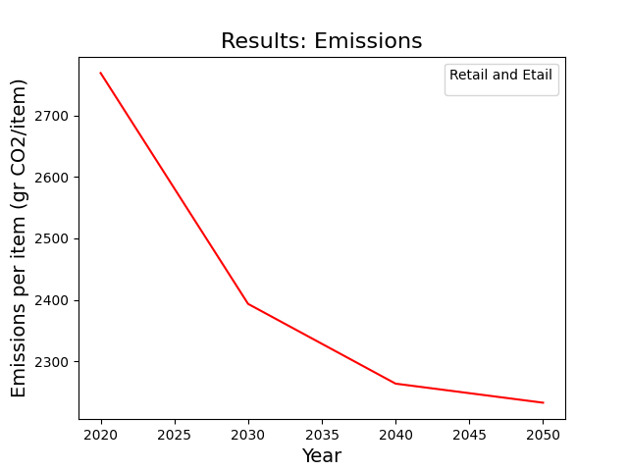
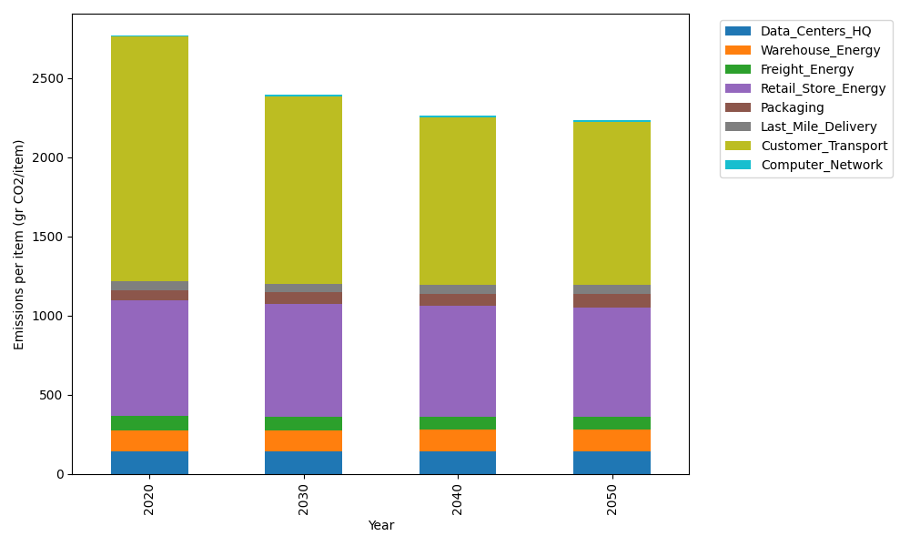
Years | Data_Centers_HQ | Warehouse_Energy | Freight_Energy | Retail_Store_Energy | Packaging | Last_Mile_Delivery | Customer_Transport | Computer_Network | Total
2020 | 140.15123629 | 133.8957558 | 93.904636487 | 728.82211648 | 65.595874581 | 55.427874666 | 1544.4136903 | 7.2443006299 | 2769.4554853
2030 | 140.46236419 | 135.4334372 | 84.568042113 | 715.9271295 | 71.157981174 | 54.823367522 | 1182.8484661 | 8.0907134625 | 2393.3115013
2040 | 140.77688299 | 136.98787735 | 81.239152304 | 702.89160381 | 76.780707548 | 56.970032907 | 1058.7994282 | 8.9463511021 | 2263.3920362
2050 | 141.08854489 | 138.52819795 | 82.842131406 | 689.97448449 | 82.352360672 | 61.815377135 | 1025.9437589 | 9.7942166767 | 2232.3390721

